Table 1
Rly : WR P.L.No. |  | Old Pl Uni. Pl |  |  | HISTORY SHEET |  |  |  |  |  |  |  |  |  |  |  |  |  |  | Date : 03- JAN-23 Wt
No. |  |  |  | No Uni_YN Sec |  |  |  | FILE |  |  | CP SRS Vit/Saf |  |  |  |  |  |  | ABC |  | PAS.NCT |  |  |  |  | MUST.CHG |  |  |  | SHELF |  |  | SOURCE |  |  |  | UNF.RLY KG
45210974 |  | Y 06 |  |  |  |  |  | 1617 01 03 |  |  |  |  |  |  | ORD C1 N |  |  |  |  |  |  |  |  |  | Y NA WR
Nylon-66 bush overall size 70 X 100 mm for Suspension on bracket of 25 KW Trans-mounted Alternator as per RDSO/PE/SK/TL/0086-2014 (Rev '2') and RDSO specn. No.RDSO/PE/SPEC/AC/ 0006-2009 (Rev-1) Emboss name or manufacture/trade mark,year or manufacture drg.no. on the nylon bushes. Spec:RDSO/PE/AC/0006 D0902L3[PL-CR] 05/04/22 11:19:50 As per DY.CEE (W) PL Letter No.EL/PL/438/S/1/VOL-II/M46 Dt.31/03/2022 Proposed AAC-1080 for the F.Y.-2022-23 STOCK, AAC AND CONSUMPTION DETAILS
DEPOT |  |  | WD CAT |  |  | MDP | CONSUMPTION / SALES 19-20 20-21 21-22 22-23 |  |  |  |  |  |  |  |  |  |  | AAC AAC NCP |  |  |  |  |  |  |  | STOCK (MTHS) |  |  |  |  |  | SPARE STOCK |  |  | LI DT LR DT |  |  | B.RATE UNIT
02 PL-CR 02 PL-CR 04 BCT-CD 21 SBI-GSD |  |  | 45 10 02 50 10 02 ( Closed ) 65 10 04 35 10 21 |  |  |  | 2566 0 0 0 2000 0 638 0 |  | 150 0 0 0 400 0 382 0 |  |  |  | 55 0 0 0 100 0 113 0 |  | 200 0 0 0 50 0 115 0 |  |  | 500 500 0 0 500 500 400 400 |  |  |  |  |  |  |  | 679 0 (16.3) 0 0 300 0 (7.2) 331 0 (9.9) |  |  |  |  |  |  |  |  | 16/09/22 31/10/22 04/12/18 05/04/18 16/09/22 12/12/19 22/12/22 01/10/22 |  |  | 185.37 Nos. 188.03 Nos. 221.08 Nos. 177.60 Nos.
TOTAL( CONSUMPTION ): |  |  |  |  |  |  | 5204 |  | 932 |  |  |  | 268 |  | 365 |  |  | 1400(Cat-10, MDP) |  |  |  |  |  |  |  | 1310 (11.2 months)
Total available Stock of selected item in Digital Ledgers maintained by Users / Consignees of Western Railway in UDM
Stock Qty 1424.000 Nos. |  |  |  |  |  |  |  |  |  |  |  | UN-COVERED DUES DETAILS |  |  |  |  |  |  |  |  |  |  |  |  |  |  | Stock Value 311725.70
Depot |  | Demand No. |  |  |  | Reg.Date |  |  |  |  | Due Qty |  |  |  |  |  | Unit |  | Type |  |  | File/Tender No. |  |  |  |  |  |  |  |  | Due Date |  |  |  |  | Remarks
NO UN-COVERED DUES FOR THIS ITEM
RLY.BOARD INDENT COVERAGE DETAILS P.O.No./Vendor Name Sr Depot AI Rate PO Qty Unit Due Qty Start DP Dely.Dt Dem.No.
NO COVERAGE FOR THIS ITEM
COVERED DUES DETAILS P.O.No./Vendor Name Sr Depot AI Rate PO Qty Unit Due Qty Start Dp Dely.Dt Dem.No.
NO COVERED DUES FOR THIS ITEM
ORDERS PLACED DURING LAST 3 YEARS
P.O.No./Vendor Name |  |  |  |  |  | Sr Depot |  |  |  |  | AI Rate |  |  |  | PO Qty |  |  | Unit | Canc Qty |  |  |  | Rej. Qty |  |  |  | Recd Qty |  |  | Org.DP |  |  |  | Start DP |  | Ext.DP |  |  | PO Status
P.O.No.06221617104326 dt.14/08/22 on M/s.TITANIA ENGINEERING WORKS- HOWRAH PO-CAT:[ Reg ] P.O.No.06201617103558 dt.26/07/20 on M/s.ABROL ENGG. CO. PVT. LTD. KAPURTHALA-KAPURTHALA PO-CAT:[ Reg ] |  |  |  |  |  | 001 002 001 002 003 | PL-CR SBI-GSD PL-CR BCT-CD SBI-GSD |  |  |  | 173.46 173.46 188.00 188.00 188.00 |  |  |  | 500 Nos. 400 Nos. 1126 Nos. 1525 Nos. 505 Nos. |  |  |  | 0 0 0 0 1126 0 1525 0 505 0 |  |  |  |  |  |  |  | 500 400 0 0 0 |  |  | 14/10/22 14/10/22 03/06/21 30/06/21 30/06/21 |  |  |  | 15/08/22 14/10/22 OP 15/08/22 14/10/22 OP 01/04/21 03/06/21 OX 01/04/21 30/06/21 OX 01/04/21 30/06/21 OX
OVER-STOCK/SURPLUS/INACTIVE IN OTHER RAILWAY
RAILWAY | DEPOT |  |  |  |  |  |  |  |  | WARD |  |  |  | CAT |  | AAC |  | STOCK |  |  | UNIT |  |  | CONS 21-22 |  |  |  | CONS 22-23 |  |  |  |  | LI-DATE |  |  |  | CONTACT
NFR | DBRT WORKSHOP DEPOT |  |  |  |  |  |  |  |  | 01 |  |  |  | 10 |  | 720 |  | 725.000 |  |  | Nos. |  |  | 515 |  |  |  | 250 |  |  |  |  | 2022-10-31
NFR | NJP GSD |  |  |  |  |  |  |  |  | 04 |  |  |  | 10 |  | 10 |  | 19.000 |  |  | Nos. |  |  | 0 |  |  |  | 1 |  |  |  |  | 2022-11-09
SER | Coaching Depot Stores/SRC |  |  |  |  |  |  |  |  | 02 |  |  |  | 10 |  | 0 |  | 260.000 |  |  | Set |  |  | 2 |  |  |  | 0 |  |  |  |  | 2021-09-27 |  |  |  | 7903067312
NWR | CARRIAGE STORES DEPOT AJMER |  |  |  |  |  |  |  |  | 20 |  |  |  | 10 |  | 124 |  | 320.000 |  |  | Set |  |  | 400 |  |  |  | 200 |  |  |  |  | 2022-12-15
SWR | MECH STORES DEPOT-UBL |  |  |  |  |  |  |  |  | 82 |  |  |  | 10 |  | 0 |  | 1833.000 |  |  | Nos. |  |  | 25 |  |  |  | 500 |  |  |  |  | 2022-11-02 |  |  |  | 9731665454
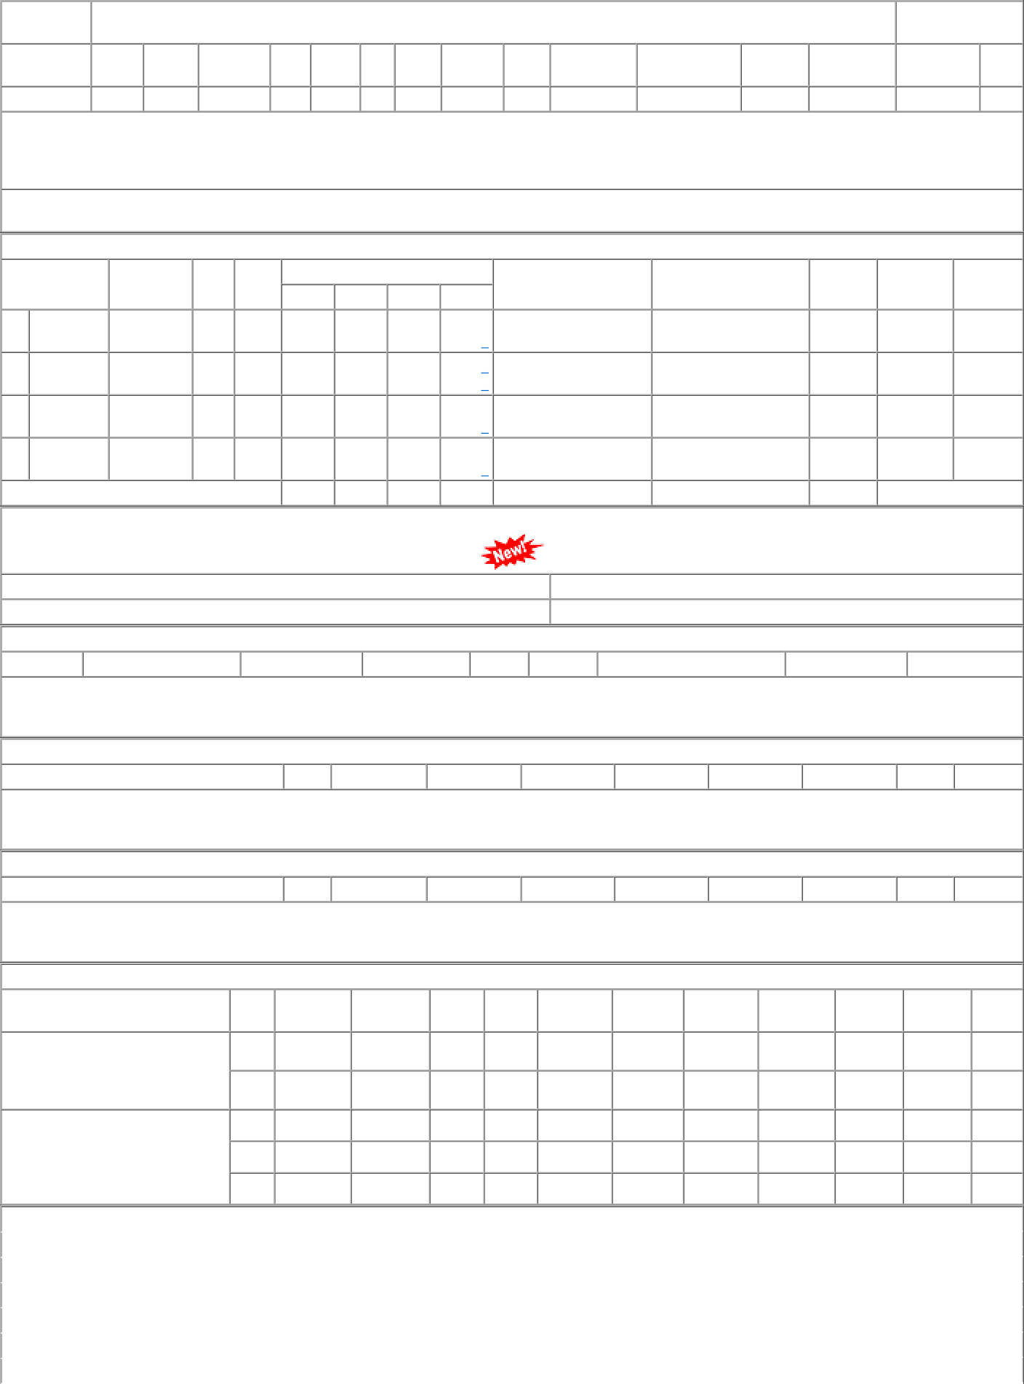

SWR | MGSD/AP |  |  |  |  |  |  |  |  |  | 06 |  |  | 10 |  | 400 |  | 290.000 |  |  | Nos. |  |  | 400 |  |  |  | 0 |  |  |  |  | 2021-12-21 |  |  |  | 9731667456
SWR | DSD-SBC |  |  |  |  |  |  |  |  |  | 01 |  |  | 10 |  | 0 |  | 41.000 |  |  | Nos. |  |  | 2 |  |  |  | 2 |  |  |  |  | 2022-12-30 |  |  |  | 9731665775

